Introduction
The unadjusted Gender Pay Gap (GPG) is a complex indicator. Although it gives an overall picture of the difference between men and women in pay it covers possible discrimination between men and women through ‘unequal pay for equal work’, differences in the average characteristics of male and female employees and further segregation effects that would show up in the different financial returns of men and women.

To differentiate the different factors at work in the GPG, Eurostat applied the Oaxaca-Blinder methodology.
In the first stage of this methodology, we ran a linear regression analysis to estimate the earnings equations for men (M) and women (W) separately, as detailed in the following equations:

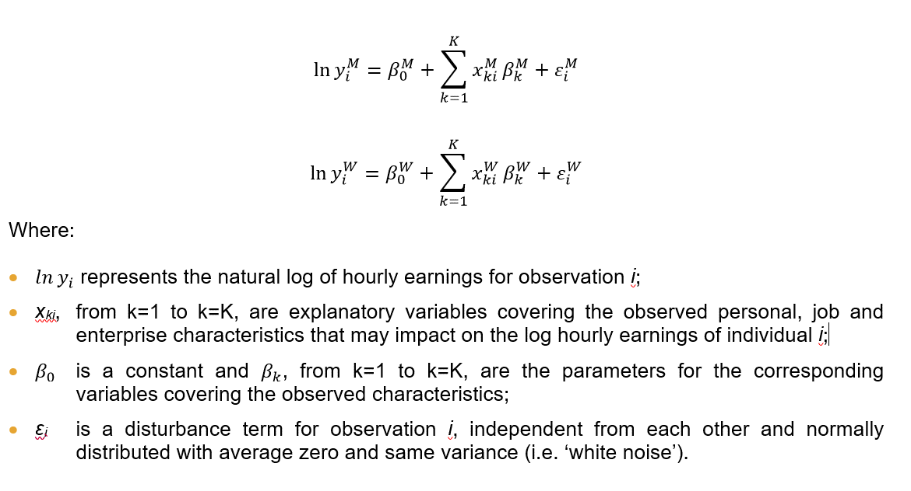

The regression analysis includes the SES variables as explanatory variables covering the observed personal, job and enterprise characteristics (see Table 1). More information on the SES variables can be found in the SES implementing arrangements (Eurostat, 2021b).

In Eurostat’s model, the regression equations relate the log hourly earnings to age and age2, education, occupation, job experience (in the current enterprise) and job experience2, employment contract, working time, principal economic activity, enterprise size, enterprise control and geographical location of the enterprise. For some countries (Greece, Spain, France, Italy, Cyprus, Latvia and Luxembourg), the regression coefficient for job experience2 was not found to be significant and this variable was therefore excluded from the model.

In the second stage, a decomposition analysis of the difference between the means of log hourly earnings of men and women is carried out:

This excel file includes results for the age group 25-29 following the same methodology of the statistical working paper ‘Gender Pay Gaps in the European Union – a statistical analysis’. The only difference in analysis is omission of 'age' and 'age squared variables', as these did not prove significant within the 25 to 29 age range.

In the first part of this study, we analysed which part of the unadjusted GPG could be explained by differences in the average characteristics (economic sectors, occupations, management responsibilities, etc.) of male and female employees on the labour market.

In the second part of the study, we analysed the differences in the financial returns for men and women with the same average characteristics.

In this Excel file, you will find the results of this analysis which have been split into seven different sheets whose content is described below:

In sheet "Youth adjustment": the results of the contribution of each explanatory factor to the adjustment of the Gender Pay Gap for 25-29 .

In sheet “Table A1”: the coefficients of determination for both men and women when running the linear regression model of the Oaxaca Blinder Decomposition.

In sheet “Table A2”: the financial returns (beta coefficients ) for the model of men.

In sheet “Table A2.UP”: the UPPER bound of the estimate of financial returns (beta coefficients ) for the model of men at 10% confidence level.

In sheet “Table A2.LOW”: the LOWER bound of the estimate of financial returns (beta coefficients ) for the model of men at 10% confidence level.

In sheet “Table A2 SIG”: the SIGNIFICANCE of all the financial returns (beta coefficients ) for the model of men.

In sheet “Table A3”: the results of F-test of model effects to check the significance for each explanatory variable in the regression model for men.

In sheet “Table A4”: the financial returns (beta coefficients ) for the model of women.

In sheet “Table A4.UP”: the UPPER bound of the estimate of financial returns (beta coefficients ) for the model of women at 10% confidence level.

In sheet “Table A4.LOW”: the LOWER bound of the estimate of financial returns (beta coefficients ) for the model of women at 10% confidence level.

In sheet “Table A4 SIG”: the SIGNIFICANCE of all the financial returns (beta coefficients ) for the model of women.

In sheet “Table A5”: the results of F-test of model effects to check the significance for each explanatory variable in the regression model for women.

In order to analyse differences in the financial returns we have computed differences between the upper bound
of the betas and lower bound of the betas at 10% confidence level.

